Results Summary
The table copied below is the SMEDIS equivalent source conditions, which have been cut and pasted from the description of the Jack Rabbit III modeling exercise (file: "JRIII initial modeling exercise description v2.3.pdf")

SMEDIS
Trial | Downstream | Velocity | Molar | Temperature | Half-Width | Color key:
 | Distance (m) | (m/s) | Conc (%) | (K) | (m) |  | These are the recommended input values to setup atmospheric dispersion models for the Jack Rabbit III model inter-comparison exercise
DT1 | 51.0 | 7.5 | 13 | 205 | 6.4 |  | If you have time, try using these values in sensitivity tests, to see whether they give different results from the SMEDIS inputs
DT2 | 48.3 | 6.0 | 13 | 205 | 8.4

HSE-Tickle Results (calculated in this spreadsheet - see Worksheet "HSE-Tickle Calc")
Trial | Downstream | Velocity | Molar | Temperature | Half-Width
 | Distance (m) | (m/s) | Conc (%) | (K) | (m)
DT1 | 46.7 | 7.27 | 13.8 | 205 | 6.63
DT2 | 54.8 | 7.70 | 13.9 | 205 | 7.76
DT4 | 49.5 | 8.59 | 14.3 | 205 | 6.99

There are some differences between the SMEDIS equivalent source conditions and the HSE-Tickle conditions calculated in this spreadsheet. These are likely due to the choice of inputs, e.g. atmospheric pressure, thermodynamic properties and jet entrainment coefficient. The values of the inputs used in the SMEDIS calculations were not defined in CERC (2000).
Percentage Difference between SMEDIS and HSE-Tickle results
Trial | Downstream | Velocity | Molar | Temperature | Half-Width
 | Distance (m) | (m/s) | Conc (%) | (K) | (m)
DT1 | 9% | 3% | -6% | 0% | -3%
DT2 | -13% | -25% | -6% | 0% | 8%

HSE-Tickle Calc
Calculation of equivalent vapor-only source conditions for Desert Tortoise Trials 1, 2 and 4
based on the method described in CERC (2000) SMEDIS Model Evaluation Protocol, Report SMEDIS/96/8/D, Version 2.0, Cambridge Environmental Research Consultants Ltd (CERC), 7 December 2000. https://admlc.com/smedis-dataset/
For a description of the calculation presented below, see file: "JRIII MWG equivalent source conditions for Desert Tortoise v1.2.pdf"

Color coding:
 | Inputs taken from the Desert Tortoise experiments (see file: "JRIII initial modeling exercise description v2.3.pdf")
 | Entered manually by user from looking up properties in NIST Webbook (see NIST Webbook Worksheet), i.e. if the conditions in green changed, then these would need to be looked up again
 | Recalculated manually by user using "Goal seek" function in Excel, this is not automatically updated and if conditions in green change then this too will need to be re-run
 | Equivalent vapor-only source conditions for use in atmospheric dispersion models

Stage 1: Calculation of flash vaporisation
 |  |  |  |  | DT1 | DT2 | DT4 | SI Units | Source
 |  |  | Mass flow rate of ammonia | mdot | 80.0 | 117.0 | 108.0 | kg/s | Table 1 in "JRIII initial modeling exercise description v2.3.docx"
 |  |  | Diameter of pipe exit | D_e | 0.081 | 0.0945 | 0.0945 | m | Table 1 in "JRIII initial modeling exercise description v2.3.docx"
 |  |  | Pressure at pipe exit | P_e | 1.01E+06 | 1.12E+06 | 1.18E+06 | Pa (abs) | Table 1 in "JRIII initial modeling exercise description v2.3.docx"
 |  |  | Temperature at pipe exit | T_e | 294.65 | 293.25 | 297.25 | K | Table 1 in "JRIII initial modeling exercise description v2.3.docx"
 |  |  | Atmospheric pressure | P_a | 9.09E+04 | 9.10E+04 | 9.03E+04 | Pa (abs) | Table 1 in "JRIII initial modeling exercise description v2.3.docx"
 |  |  | Atmospheric temperature | T_a | 301.95 | 303.55 | 305.55 | K | Table 1 in "JRIII initial modeling exercise description v2.3.docx"

 |  |  | Temperature at the end of flashing | T_f | 237.71 | 237.73 | 237.57 | K | Calculated from Equation (5)
 |  |  | Density of ammonia at pipe exit (pressurized liquid ammonia) | rho_e | 608.28 | 610.47 | 604.5 | kg/m^3 | From NIST Webbook
 |  |  | Density of ammonia liquid at end of flashing | rho_l_f | 684.24 | 684.21 | 684.41 | kg/m^3 | From NIST Webbook
 |  |  | Density of ammonia vapour at end of flashing | rho_v_f | 0.80466 | 0.80543 | 0.79928 | kg/m^3 | From NIST Webbook
 |  |  | Specific enthalpy of ammonia liquid at pipe exit | h_l_e | 4.46E+05 | 4.40E+05 | 4.59E+05 | J/kg | From NIST Webbook
 |  |  | Specific enthalpy of ammonia liquid at the end of flashing | h_l_f | 1.85E+05 | 1.85E+05 | 1.84E+05 | J/kg | From NIST Webbook
 |  |  | Heat of vaporisation of ammonia at the end of flashing | H_f | 1.37E+06 | 1.37E+06 | 1.37E+06 | J/kg | From Osborne -Van Dusen (Equation 6)

 |  |  | Area of pipe exit | A_e | 0.00515 | 0.00701 | 0.00701 | m^2 | Calculated from A = pi D^2 / 4
 |  |  | Velocity of ammonia at pipe exit | v_e | 25.5 | 27.3 | 25.5 | m/s | Calculated from Equation (7)
 |  |  | Velocity of two-phase ammonia mixture at the end of flashing | v_f | 84.7 | 89.0 | 96.2 | m/s | Calculated from Equation (8)

 |  |  | Quality (i.e. ammonia vapor mass fraction) at end of flashing | X_f | 0.188 | 0.183 | 0.197 |  | Calculated from Equation (11)

 |  |  | Density of the two-phase ammonia mixture at the end of flashing | rho_f | 4.26 | 4.38 | 4.05 | kg/m^3 | Calculated from Equation (4)

 |  |  | Cross-sectional area at the end of flashing | A_f | 0.222 | 0.300 | 0.277 | m^2 | Calculated from Equation (12)
 |  |  | Diameter of the jet at the end of flashing | D_f | 0.531 | 0.618 | 0.594 | m | Calculated from area D = sqrt (4 A / pi)

Stage 2: Calculation of air entrainment and ammonia droplet evaporation

To run "Goal seek":
1.) Select from drop down menu Data > What-If-Analysis > Goal Seek ...
2.) Set cell: select residual (cell I63, J63 or K63)
3.) To value: 0 (enter zero)
4.) By changing cell: select temperature T_j (cell I60, J60 or K60)
 |  |  | Specific heat capacity of ammonia vapour at the end of flashing | Cp_g_v | 2272.20 | 2272.40 | 2270.90 | J/kg K | From NIST Webbook
 |  |  | Specific heat capacity of air | Cp_a | 1005 | 1005 | 1005 | J/kg K | Approx value (at 300K) from https://www.ohio.edu/mechanical/thermo/property_tables/air/air_Cp_Cv.html
 |  |  | Molecular mass of ammonia | M_g | 17.0305 | 17.0305 | 17.0305 | kg/kmol | Source: NIST webbook https://webbook.nist.gov/cgi/cbook.cgi?ID=7664-41-7
 |  |  | Molecular mass of air | M_a | 28.97 | 28.97 | 28.97 | kg/kmol | Source: Google

 |  |  | Temperature at end of flashing | T_j | 204.67 | 204.78 | 205.07 | K | Initial guess entered and then calculated by Excel "Goal Seek"
 |  |  | Saturation vapor pressure | P_sat_j | 1.25E+04 | 1.26E+04 | 1.29E+04 | Pa (abs) | Calculated from Antoine equation (Equation 25)
 |  |  | Mole fraction of ammonia vapor at the end of the evaporation stage | alpha_g_j | 0.138 | 0.139 | 0.143 |  | Calculated from Equation (24)
 |  |  | Left-hand-side of conservation of enthalpy equation |  | 1.65E-07 | -1.86E-08 | -9.78E-09 |  | Calculated from Equation (33) - should be close to zero

 |  |  |  | alpha_g_j * M_g | 2.346 | 2.363 | 2.433 | kg/kmol | Intermediate value in calculation
 |  |  |  | (1 - alpha_g_j) * M_a | 24.980 | 24.951 | 24.832 | kg/kmol | Intermediate value in calculation
 |  |  | Density of ammonia vapor at the end of flashing | rho_g_v_j | 0.910 | 0.910 | 0.902 | kg/m^3 | Calculated from the ideal gas equation at pressure P_a and temperature T_j
 |  |  | Density of air at the end of flashing | rho_a_j | 1.548 | 1.548 | 1.534 | kg/m^3 | Calculated from the ideal gas equation at pressure P_a and temperature T_j
 |  |  | Density of ammonia vapor and air mixture at the end of evaporation stage | rho_j | 1.460 | 1.460 | 1.444 | kg/m^3 | Calculated from Equation (28)

 |  |  | Velocity of the equivalent source at the end of evaporation | v_j | 7.27 | 7.70 | 8.59 | m/s | Calculated from Equation (37)

 |  |  | Area of the equivalent source at the end of evaporation | A_j | 87.8 | 120.3 | 97.6 | m^2 | Calculated from Equation (38)

 |  |  | Half-width of equivalent source at end of evaporation | W_j | 6.63 | 7.76 | 6.99 | m | Calculated from Equation (39)

 |  |  | Density of the air at atmospheric pressure and temperature | rho_a (T_a) | 1.05 | 1.04 | 1.03 | kg/m^3 | Calculated from the ideal gas equation at pressure P_a and temperature T_a
 |  |  | Ratio of the densities of the jet to the ambient air | phi | 1.39 | 1.40 | 1.40 |  | Calculated from Equation (40)

 |  |  | Buoyancy flux | B | 250.0 | 368.3 | 337.2 | m^3/s | Calculated from Equation (41)
 |  |  | Momentum flux | f | 6461 | 9970 | 10093 | m^4/s^2 | Calculated from Equation (42)

 |  |  | Length scale | L | 1.75 | 2.08 | 1.89 | m | Calculated from Equation (43)
 |  |  | Velocity scale | U | 25.85 | 27.07 | 29.94 | m/s | Calculated from Equation (44)

 |  |  | Dimensionless parameter | p | 0.530 | 0.533 | 0.536 |  | Calculated from Equation (45)
 |  |  | Dimensionless parameter | q | 1.60 | 1.59 | 1.58 |  | Calculated from Equation (46)

 |  |  | Model term | (2 k x / L) | 4.26 | 4.22 | 4.18 |  | Calculated from Equation (47)
 |  |  | Assumed jet entrainment coefficient | k | 0.08 | 0.08 | 0.08
 |  |  | Distance to equivalent vapor-only source | x_j | 46.7 | 54.8 | 49.5 | m | Calculated from Equation (48)

 |  |  | Aspect ratio (2 sigma_y / sigma z) |  | 5 | 5 | 5
 |  |  | Height | sigma_z | 4.2 | 4.9 | 4.4
 |  |  | Width | 2 sigma_y | 21.0 | 24.5 | 22.1
 |  | CHECK | Area |  | 87.8 | 120.3 | 97.6

 |  |  | Mole fraction from SMEDIS | alpha_g_j | 0.13 | 0.13
 |  |  | Temperature from SMEDIS | T_j | 205 | 205
 |  |  | Cloud half-width from SMEDIS | sigma_y | 6.4 | 8.4
 |  |  | Cloud area | A_j | 81.92 | 141.12
 |  |  | New Aspect ratio (2 sigma_y / sigma z) |  | 5 | 5
 |  |  | Height | sigma_z | 4.0 | 5.3
 |  |  | Width | 2 sigma_y | 20.2 | 26.6
 |  | CHECK | Area |  | 81.9 | 141.1

 |  |  | Density of air at SMEDIS T_j | rho_a_j | 1.545 | 1.547
 |  |  | Density of ammonia vapour at SMEDIS T_j | rho_g_j | 0.908 | 0.909
 |  |  |  | alpha_g_j * M_g | 2.213965 | 2.213965
 |  |  |  | (1 - alpha_g_j) * M_a | 25.2039 | 25.2039
 |  |  |  | rho_j | 1.46 | 1.46

Antoine
Source: | https://webbook.nist.gov/cgi/cbook.cgi?ID=C7664417&Mask=4#Thermo-Phase
 |  |  |  |  | Temperature |  | Pressure
 |  |  |  |  | (K) | (deg C) | (bar) | (Pa)
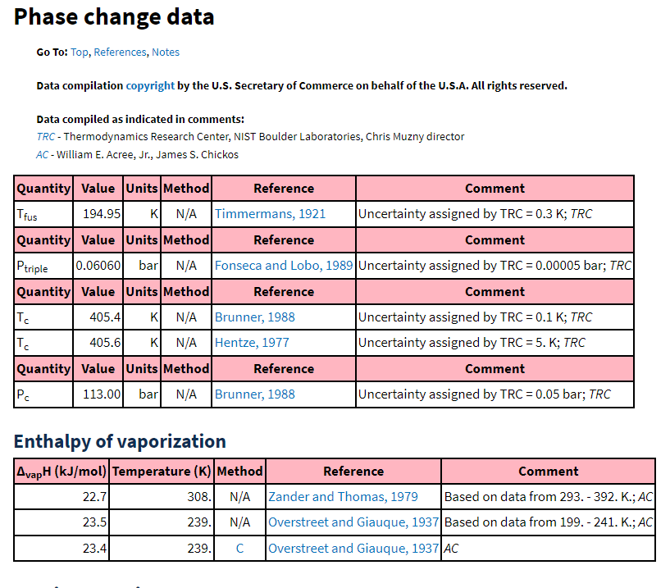
 |  |  |  |  | 239.6 | -33.55 | 0.9933 | 99,331 | <-- interesting that this is not 101,325 Pa
 |  |  |  |  | 239 | -34.15 | 0.9660 | 96,602
 |  |  |  |  | 238 | -35.15 | 0.9218 | 92,175
 |  |  |  |  | 237 | -36.15 | 0.8790 | 87,899
 |  |  |  |  | 236 | -37.15 | 0.8377 | 83,770
 |  |  |  |  | 235 | -38.15 | 0.7978 | 79,785
 |  |  |  |  | 234 | -39.15 | 0.7594 | 75,941
 |  |  |  |  | 233 | -40.15 | 0.7224 | 72,235
 |  |  |  |  | 232 | -41.15 | 0.6867 | 68,665
 |  |  |  |  | 231 | -42.15 | 0.6523 | 65,227
 |  |  |  |  | 230 | -43.15 | 0.6192 | 61,919
 |  |  |  |  | 229 | -44.15 | 0.5874 | 58,737
 |  |  |  |  | 228 | -45.15 | 0.5568 | 55,679
 |  |  |  |  | 227 | -46.15 | 0.5274 | 52,742
 |  |  |  |  | 226 | -47.15 | 0.4992 | 49,922
 |  |  |  |  | 225 | -48.15 | 0.4722 | 47,217
 |  |  |  |  | 224 | -49.15 | 0.4462 | 44,624
 |  |  |  |  | 223 | -50.15 | 0.4214 | 42,139
 |  |  |  |  | 222 | -51.15 | 0.3976 | 39,761
 |  |  |  |  | 221 | -52.15 | 0.3749 | 37,486
 |  |  |  |  | 220 | -53.15 | 0.3531 | 35,311
 |  |  |  |  | 219 | -54.15 | 0.3323 | 33,234
 |  |  |  |  | 218 | -55.15 | 0.3125 | 31,251
 |  |  |  |  | 217 | -56.15 | 0.2936 | 29,360
 |  | a | b | c | 216 | -57.15 | 0.2756 | 27,558
 |  | 3.18757 | 506.713 | -80.78 | 215 | -58.15 | 0.2584 | 25,842
 |  |  |  |  | 214 | -59.15 | 0.2421 | 24,210
 |  |  |  |  | 213 | -60.15 | 0.2266 | 22,658
 |  |  |  |  | 212 | -61.15 | 0.2118 | 21,184
 |  |  |  |  | 211 | -62.15 | 0.1979 | 19,786
Using the values that are valid for temperatures below the atmospheric boiling point of ammonia since the jet cools as it entrains air and follows the saturated vapor pressure curve
 |  |  |  |  | 210 | -63.15 | 0.1846 | 18,461
 |  |  |  |  | 209 | -64.15 | 0.1721 | 17,205
 |  |  |  |  | 208 | -65.15 | 0.1602 | 16,018
 |  |  |  |  | 207 | -66.15 | 0.1490 | 14,895
 |  |  |  |  | 206 | -67.15 | 0.1384 | 13,835
 |  |  |  |  | 205 | -68.15 | 0.1284 | 12,835
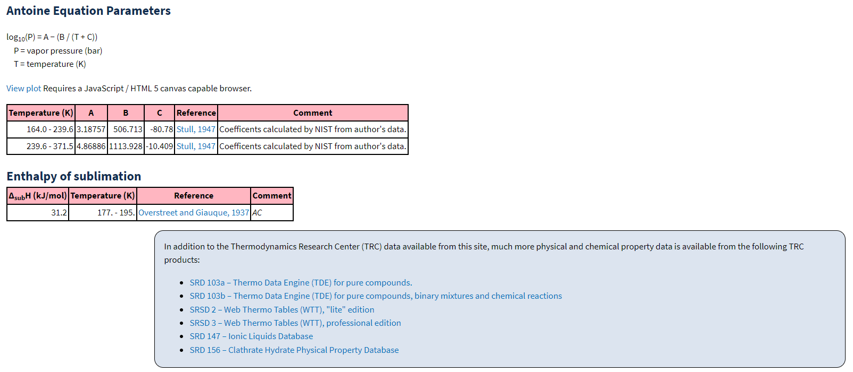
 |  |  |  |  | 204 | -69.15 | 0.1189 | 11,893
 |  |  |  |  | 203 | -70.15 | 0.1101 | 11,007
 |  |  |  |  | 202 | -71.15 | 0.1017 | 10,173
 |  |  |  |  | 201 | -72.15 | 0.0939 | 9,391

